Overview
CORE #0 -- Realtime Core
CORE #1 -- WORKER CORE

Priority =1
USB Serial Driver
Priority =1
Cmd Parser
PWM Generation

DIR
Driver + Motor
PWM

Priority =1
P?
Priority =1
PID Speed control loop

Priority =1
V?
Quadrature encoder
A
Encoder
Right POS
B
Left POS
Left VEL
Right VEL

Sheet1
Core1 services SM IRQ's and keeps Position
Core 1
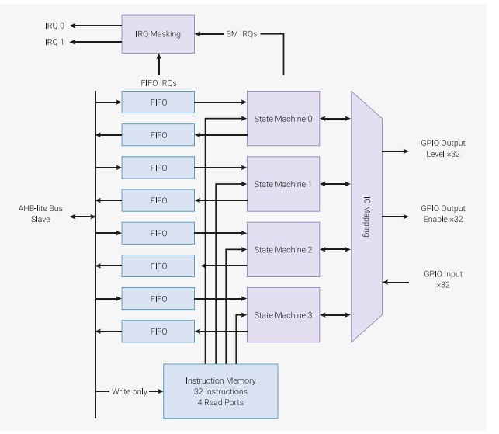

Same PIO code runs on both State Machines, but connected to different GPIO and SM IRQ's

GP3
LeftEncA
GP4
LeftEncB

GP5
RightEncA

GP6
RightEncB

IRQ relative addressing
Two Sm's are running the same code
each sm engine must set Two IRQ bits, one for count up, one for count down
With 2 sm's that means 4 total IRQ bits in the PIO Block are used
Note that these IRQ bits ARE NOT CPU IRQ BITS ( they are mapped to CPU IRQ Bits)
SO we Map SM=0 IRQ 0,2 ( up,down) to CPU IRQ 0. then
SO we Map SM=1 IRQ 1,3 ( up,down) to CPU IRQ 1. then
Then each IRQ handler on Core1 must Query the SM interrupt register to figure out wich direction to move position

wiring
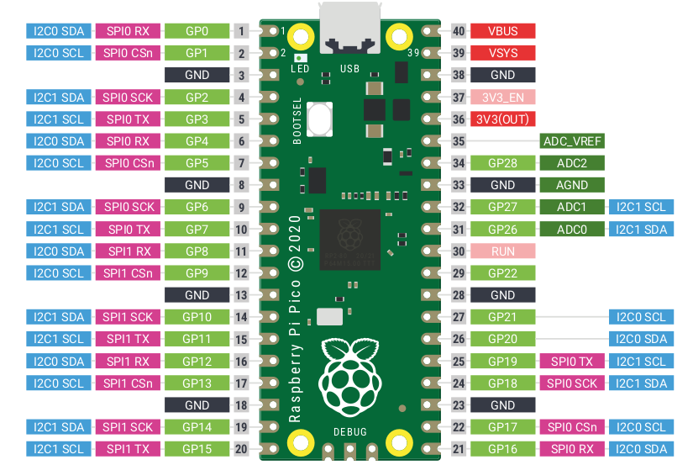

LeftPwmPin=1

LeftMTRPinA =2

LeftMTRPinB =3
LeftENCA =4
LeftENCB =5

RightENCA =6
RightENCB =7

RightPwmPin=8
RightMtrPinA=9

RightMtrPinA=10

period to velocity
Period to m/s
um/us | us | m/s | m/hr
127 | 51.2 | 2.48046875 | 5.55625
127 | 51.1 | 2.4853228963 | 5.5671232877
127 | 51 | 2.4901960784 | 5.5780392157
127 | 50 | 2.54 | 5.6896
127 | 100 | 1.27 | 2.8448
127 | 250 | 0.508 | 1.13792
127 | 500 | 0.254 | 0.56896
127 | 750 | 0.16933333333 | 0.37930666667
127 | 1000 | 0.127 | 0.28448
127 | 2500 | 0.0508 | 0.113792
127 | 2510 | 0.050597609562 | 0.11333864542
127 | 2510 | 0.050597609562 | 0.11333864542
127 | 2510 | 0.050597609562 | 0.11333864542

